IPI DRB Minutes
 |  | IBIDEN PHILIPPINES, INC. |  |  |  |  |  |  |  |  |  |  |  |  |  |  |  |  |  | DRB/MRB No. : |  | D-CORE-19-10-002
 |  | DRB/MRB REPORT MINUTES |  |  |  |  |  |  |  |  |  |  |  |  |  |  |  |  |  | RFC No. : |  | 08-1019-0045

Theme: |  |  | Void Dent
Meeting Date : |  |  | 14-Oct-19 |  |  |  |  |  |  |  |  |  |  |  | Originated by : |  |  |  | M. Valenciano
Meeting Time: |  |  | 1300h |  |  |  |  |  |  |  |  |  |  |  |  |  |  |  |  | Name /Block
Meeting Place: |  |  | Core Meeting Area |  |  |  |  |  |  |  |  |  |  |  | Approved by :
Chairman: |  |  | M.Valenciano |  |  |  |  |  |  |  |  |  |  |  |  |  |  |  | Originator ASM/SM/DGM/GM
Block: |  |  | CORE
Attendees : |  |  | Manufacturing |  |  | Engineering/NPD |  |  | Facilities/EE |  |  |  |  | QA/QC |  |  |  |  | PPIC/CSE |  |  |  | Other
 |  |  | M.Valenciano |  |  | T. Ogawa |  |  |  |  |  |  |  | A. Mauleon
 |  |  | F. Horai

Theme: |  |  | Void Dent
Meeting Date : |  |  | 23-Oct-19 |  |  |  |  |  |  |  |  |  |  |  | Originated by : |  |  |  | M. Valenciano
Meeting Time: |  |  | 1400h |  |  |  |  |  |  |  |  |  |  |  |  |  |  |  |  | Name /Block
Meeting Place: |  |  | Core Meeting Area |  |  |  |  |  |  |  |  |  |  |  | Approved by :
Chairman: |  |  | M.Valenciano |  |  |  |  |  |  |  |  |  |  |  |  |  |  |  | Originator ASM/SM/DGM/GM
Block: |  |  | CORE
Attendees : |  |  | Manufacturing |  |  | Engineering/NPD |  |  | Facilities/EE |  |  |  |  | QA/QC |  |  |  |  | PPIC/CSE |  |  |  | Other
 |  |  | M.Valenciano |  |  | T. Ogawa |  |  |  |  |  |  |  | A. Mauleon
 |  |  | T. Mizuno |  |  | G. Malaguit

<1>PROBLEM STATEMENT : (Put another sheet if multiple lots was discovered affected)
DEFECT ISSUE: |  |  | Void Dent |  | # | PRODUCT/MODEL AFFECTED |  |  | PRODUCT FAMILY |  |  | LEDGER NO. |  | PRODUCT SIZE |  | LOT NUMBER |  |  | AFFECTEDLAYER |  | AFFECTED PANEL |  | AFFECTED UNIT OR IF PERCENTAGE
DATE/TIME OCCURRED: |  |  | Oct-10-19 |  | 1 | CS Kabylake PCH-H |  |  |  |  |  | 776-5797 |  |  |  | P7900490 |  |  |  |  | Mar-32
PROCESS DETECTED: |  |  | PLG |  | 2 | CS Kabylake PCH-H |  |  |  |  |  | 776-5797 |  |  |  | P7901540 |  |  |  |  | 1-32
PROCESS AFFECTED: |  |  | PLG |  | 3 | CS Kabylake PCH-H |  |  |  |  |  | 776-5797 |  |  |  | P7901550 |  |  |  |  | 3-32
# OF AFFECTED LOTS : |  |  | 3 |  | 4
WHO DETECTED: |  |  |  |  | 5
 |  |  |  |  | 6
 |  |  |  |  | 7
 |  |  |  |  | 8
 |  |  |  |  | 9
 |  |  |  |  | 10
 |  |  |  |  | 11
 |  |  |  |  | 12
 |  |  |  |  | 13
 |  |  |  |  | 14
 |  |  |  |  | 15
 |  |  |  |  | 16
 |  |  |  |  | 17
 |  |  |  |  | 18
WHAT IS THE PROBLEM DIFFERENCE FROM NORMAL TO ABNORMAL SITUATION? CHANGING POINT? DISCUSS THE FLOW. (Indicate 5W and 1H)

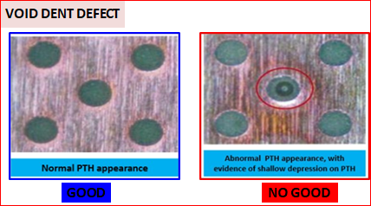
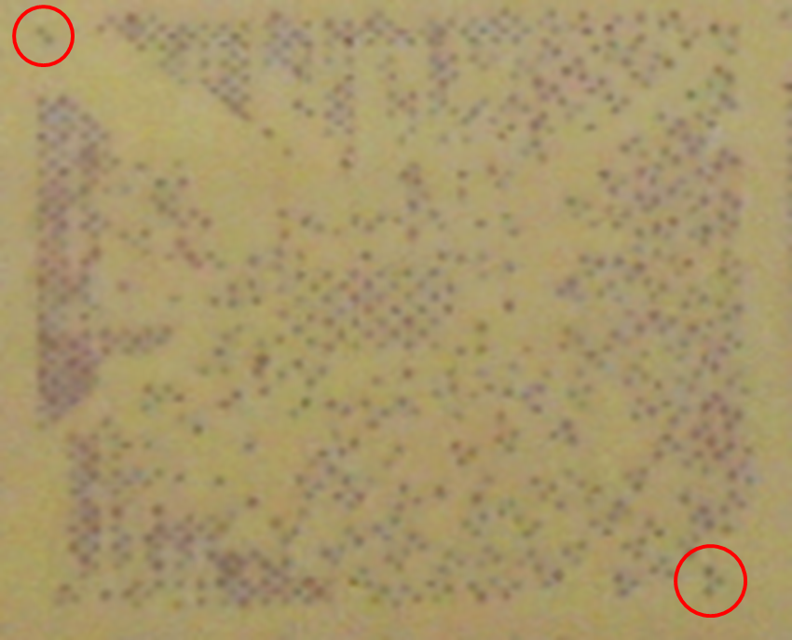

THE AGENDA ITEM IS RECURRENCE? |  |  |  | RECURRENCE |  |  | NEW |  |  |  | Recurrence Definition |  |  |  | 1. Rootcause is clear happened in same MC and parts 2. Rootcause is not clear but same issue 3. The Action was not proliferated to other process and machine but it was discussed during the meeting
THE AGENDA ITEM IS ESCAPEE? |  |  |  | YES |  |  | NO
PROBLEM CATEGORY |  |  | MAN |  | MACHINE |  |  | METHOD |  |  | MATERIAL |  |  | MEASUREMENT |  |  |  | ENVIRONMENT |  |  |  | OTHERS
DRB CLOSING RANK |  |  | RANK 1 |  | RANK 2 |  |  | RANK 3 |  |  | RANK 4 |  |  | RANK 5 |  |  |  | OTHERS

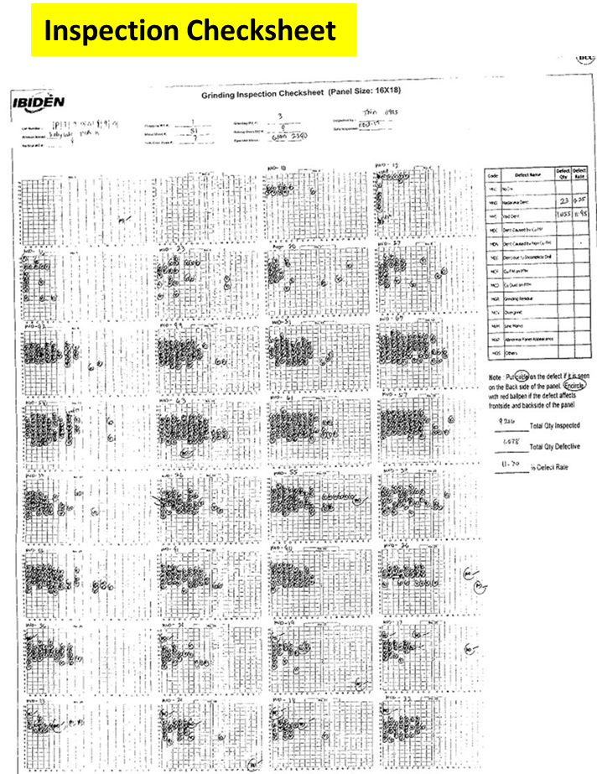
<2> INVESTIGATION/IDENTIFICATION OF AFFECTED AREA, SITUATION (Define the phenomenon, mode and tendency occurrence,Etc.)
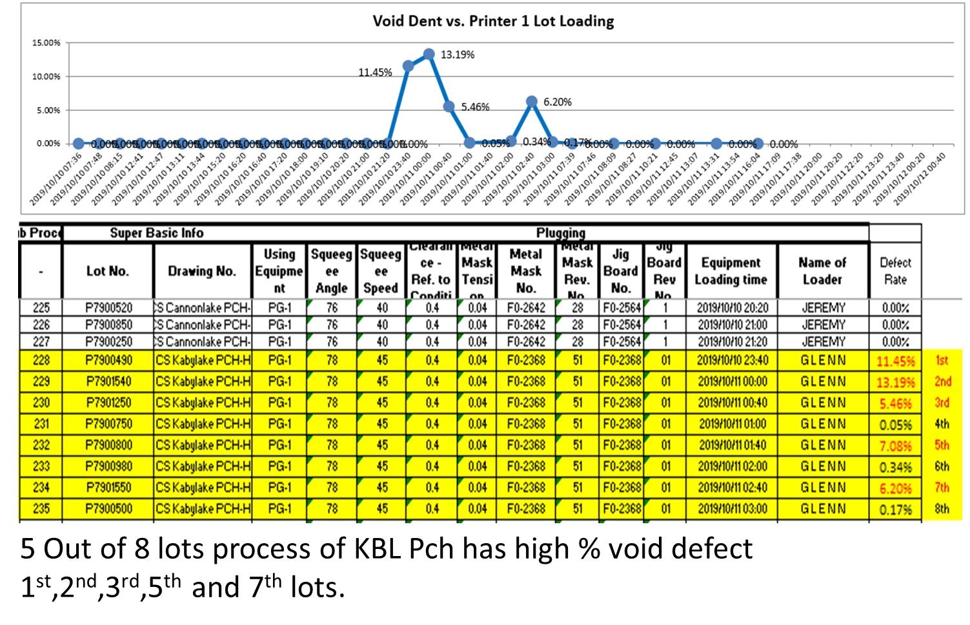
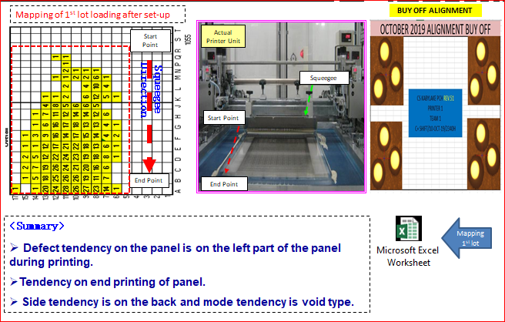

1. Team A encounters high Void dent last Oct 10 & Oct 18. processed by Glenn & Mark.
<3> CONTAINMENT ACTION (Note: Do not disable the interlock system when doing the action) |  |  |  |  |  |  |  |  |  |  |  |  |  |  |  | Responsible |  |  | Completion Date |  |  | Status
 |  |  |  |  |  |  |  |  |  |  |  |  |  |  |  | Name / Block

<4> DISPOSITION OF AFFECTED LOT AND RISK ASSESSMENT

Assessment Item (# of sample/Method) |  |  |  | Responsible Name / Block |  |  | Completion Date |  |  | Assessment Result (No Good/TTL QTY) |  |  |  |  |  | Judgment (OK/NG) |  |  | Final Disposition
100% inspection at GRD |  |  |  | Mark / Mfg |  |  | ww 43.4 |  |  |  |  |  |  |  |  | NG
 |  |  |  |  |  |  |  |  |  |  |  |  |  |  |  |  |  |  |  | Proceed |  | Qty : ______________________________
 |  |  |  |  |  |  |  |  |  |  |  |  |  |  |  |  |  |  |  | Piece Out |  | Qty : _______ Pnl #: ________________
 |  |  |  |  |  |  |  |  |  |  |  |  |  |  |  |  |  |  |  | Sheet Out |  | Qty : ______________________________
 |  |  |  |  |  |  |  |  |  |  |  |  |  |  |  |  |  |  |  | Lot Out |  | Qty : ______________________________
 |  |  |  |  |  |  |  |  |  |  |  |  |  |  |  |  |  |  |  | SDR
Risk Assessment Category |  |  |  |  |  |  |  |  |  |  | Remarks
 |  | Low |  | Medium |  |  |  | High |  |  | ________________________

<5>ACTION REQUIRED (Note: Do not disable the interlock system when doing the action)

Action Request |  |  |  |  |  |  |  |  |  | Responsible Name / Block |  |  |  |  |  | Completion Date |  |  | Detail Results
1. Check for processing concern by operator. |  |  |  |  |  |  |  |  |  | Mark / Mfg |  |  |  |  |  | ww 44.2
2. Check for Metalmask life (rev.51) |  |  |  |  |  |  |  |  |  | Getay / PE |  |  |  |  |  | ww 43.3 |  |  | Life: 182 lots Spec: 300lots
3. Check for machine activities at Printer # 1. |  |  |  |  |  |  |  |  |  | ALL |  |  |  |  |  | ww 43.3 |  |  | Tightening of bracket of Squeegee holder; Oct 18; 1730h
4. Verify for the detection of loose bolt of squeegee bracket at Printer # 1. |  |  |  |  |  |  |  |  |  | Mark / Mfg |  |  |  |  |  | ww 44.1

<6> ROOTCAUSE GENERATION/ANALYSIS <WHY ANALYSIS by 5M1E, DESIGN AND CAPABILITY>

 | 1. FACTOR GAP ANALYSIS
 | Problem/Issue |  | Gap Type |  | 1st why |  |  |  | 2nd why |  |  |  |  |  | 3rd why |  |  |  |  |  | 4th why |  |  | 5th why
 | Void Dent |  | Technical |  | for further investigation

 |  |  | Systemic
 |  |  | Detection
 | 2. FINAL ROOT CAUSE and MECHANISM OF AFFECTED ISSUE

<7> CORRECTIVE ACTION |  |  |  |  |  |  |  |  |  |  |  |  | Responsible |  |  |  | Completion Date |  |  | Status |  |  | Need CN & DR?
 |  |  |  |  |  |  |  |  |  |  |  |  | Name / Block |  |  |  |  |  |  |  |  |  | Yes | No

<8> PREVENTIVE ACTION |  |  |  |  |  |  |  |  |  |  |  |  | Responsible |  |  |  | Completion Date |  |  | Status |  |  | Need CN & DR?
 |  |  |  |  |  |  |  |  |  |  |  |  | Name / Block |  |  |  |  |  |  |  |  |  | Yes | No

<9> PROLIFERATION |  |  |  |  |  |  |  |  |  |  |  |  |  |  |  | Responsible |  |  | Completion |  |  | Status
 |  |  |  |  |  |  |  |  |  |  |  |  |  |  |  | Name / Sign |  |  | Date
Product |  | Block | Process/line |  | Machine |  | Proliferate Item
 |  |  |  |  |  |  | 1
 |  |  |  |  |  |  | 2
<10>AMOUNT OF LOSS . The total sum_________________
Product |  |  |  |  | Unit Qty |  |  |  |  |  |  |  | Amount of Loss |  |  |  |  |  |  | Remarks

<11> CLOSING APPROVAL (The approver person in charge should put details of the validation and closing confirmation result)
The Validation activity |  |  |  |  |  |  |  |  |  |  |  |  |  |  |  |  | Closing Approver |  |  |  |  | Closing Date
 |  |  |  |  |  |  |  |  |  |  |  |  |  |  |  |  | ASM Gloria Reyes

 |  |  |  |  |  |  |  |  |  |  |  |  |  |  |  |  |  |  |  |  |  |  |  |  | QA-SCAR-MRB-02-00-01 Rev. 11

